Sheet1
Order Form - Trutex Back Vent Skirt
The Priory School hold stock of Trutex Back Vent Skirts. To place an order:
1) Check the size you need, ensuring the length complies with Uniform Policy and is on, or below, the knee. Samples of each size are held in reception if your child would like to try the sizes before ordering.
2) Complete the form below with the number that you would like of each size. The table should calculate the total cost of your order automatically.
3) Log onto your Parent Pay account, select the item 'Trutex Back Vent Skirt', adjust the default amount to the total that has been calculated and complete the payment.
4) Email the order form to sma@tpstrust.co.uk.
5) Once payment and order are matched, the skirt will be given to your child via their form tutor. Whilst every effort is made to maintain stock levels, there may be a times when we need to reorder which could take several working days.
Exchanges and refunds: If the skirt does not fit, we can take it back and either exchange it for another size (subject to availability) or refund your money, provided it is in good condition, has only been worn to try on and all labels and packaging (including plastic and coathangers) are still intact. If the skirt is faulty, please return it immediately.

Name |  |  |  |  | Form
Size
Waist | Length | Price | Quantity | Total
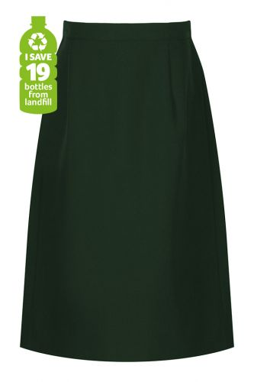
22" | 18" | £14.60 |  | £0.00
22" | 20" | £14.60 |  | £0.00
24" | 18" | £14.60 |  | £0.00
24" | 20" | £14.60 |  | £0.00
26" | 20" | £14.60 |  | £0.00
26" | 22" | £14.60 |  | £0.00
28" | 20" | £18.60 |  | £0.00
28" | 22" | £18.60 |  | £0.00
30" | 20" | £18.60 |  | £0.00
30" | 22" | £18.60 |  | £0.00
32" | 20" | £18.60 |  | £0.00
32" | 22" | £18.60 |  | £0.00
34" | 20" | £18.60 |  | £0.00
34" | 22" | £18.60 |  | £0.00
 | Amount to pay on Parent Pay |  |  | £0.00

